Register
Project Name: Railway
Passed: | 12 |  | Untested: | 0
Failed: | 1 |  | Total TCs: | 13
TC ID | TC Description | Steps | Expected Result | Test Result | Notes
Function: Register
TC001 | Verify that user can register successfully with valid data | 1. Navigate to Railway website(http://railway.somee.com) 2. Click on [Register] tab 3. Input valid data for all required files: + Email: maitruongthingoc1234@gmail.com + Password: maimaimai + Confirm Password: maimaimai + PID/Passport number: 044199002138 4. Click "Register" button | User can register successfully + An email was sent to the mailbox + Open mail and process activation | Pass | 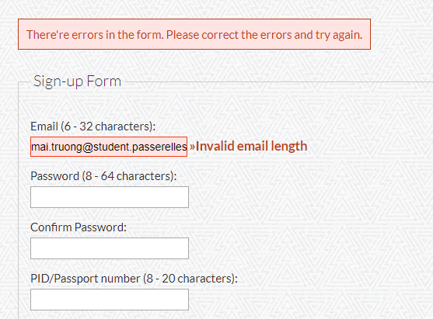 Email length is not correct for organizations with email like: "mai.truong@student.passerellesnumeriques.org" The email is correct but the application does not allow registration (more than 32 characters)
TC002 | Verify that user can register successfully with "Email" field have special characters | 1. Navigate to Railway website(http://railway.somee.com) 2. Click on [Register] tab 3. Input invalid data for "Email" files (have special characters) + Email: maitruong$%@gmail.com + Password: maimaimai + Confirm Password: maimaimai + PID/Passport number: 044199002138 4. Click "Register" button | User register successfully + The message was display for user can know that: "Email" field have specials character" + The data is stored as text + An email was sent to the mailbox + Open mail and process activation | Pass
TC003 | Verify that user can register successfully with "Email" field have blank for the first character | 1. Navigate to Railway website(http://railway.somee.com) 2. Click on [Register] tab 3. Input invalid data for "Email" files (have special characters) + Email: maitruong$%@gmail.com + Password: maimaimai + Confirm Password: maimaimai + PID/Passport number: 044199002138 4. Click "Register" button | User register successfully + The message was display for user can know that: "Email" field cannot have blank for first character + Handle white spaces so that the user's email field matches the format. + An email was sent to the mailbox + Open mail and process activation | Pass
TC004 | Verify that user register successfully with password was encryption | 1. Navigate to Railway website(http://railway.somee.com) 2. Click on [Register] tab 3. Input valid data for fill required files: + Email: maitruong@gmail.com + Password: maimaimai + Confirm Password: maimaimai + PID/Passport number: 044119902100 4. Click "Register" button | "Password" field and "Confirm Password" field was encryption by "****" | Pass
TC005 | Verify that user register unsuccessfully without input data for all required fields | 1. Navigate to Railway website(http://railway.somee.com) 2. Click on [Register] tab 3. Don't input data for all required files 4. Click "Register" button | User register unsuccessfully + The warning notify was display + 3 field: Email, Password and PID/Passport number were have message notify | Pass
TC006 | Verify that user register unsuccessfully with account was register before | 1. Navigate to Railway website(http://railway.somee.com) 2. Click on [Register] tab 3. Input valid data for fill required files: + Email: maitruongthingoc1234@gmail.com + Password: maimaimai + Confirm Password: maimaimai + PID/Passport number: 044199002138 4. Click "Register" button | User register unsuccessfully + The warning notify was display + Message "This email address is already in use" was display | Pass
TC007 | Verify that user register unsuccessfully with "Confirm Password" field don't match "Password" field | 1. Navigate to Railway website(http://railway.somee.com) 2. Click on [Register] tab 3. Input data for all required files and "Confirm Password" fiel don't match with "Password" fiels: + Email: maitruongthingoc1234@gmail.com + Password: maimaimai + Confirm Password: maimaimaimai + PID/Passport number: 044199002138 4. Click "Register" button | User register unsuccessfully + The warning notify was display for "Confirm Password" field + Message "The two passwords do not match" was display | Pass
TC008 | Verify that user register unsuccessfully with characters for "Email" field less than 6 characters and more than 32 characters (6 > Input Email characters > 32) | 1. Navigate to Railway website(http://railway.somee.com) 2. Click on [Register] tab 3. Input the email field have less than 6 characters: + Email: a@a.co + Password: maimaimai + Confirm Password: maimaimai + PID/Passport number: 4. Click "Register" button | User register unsuccessfully + The warning notify was display for "Email" field + The message was display for user can know that "Email" field was wrong length | Pass
TC009 | Verify that user register unsuccessfully with characters for "Password" field less than 8 characters and more than 64 characters (8 > Input Password characters > 64) | 1. Navigate to Railway website(http://railway.somee.com) 2. Click on [Register] tab 3. Input the "Password" field have less than 8 characters: + Email: maitruongthingoc1234@gmail.com + Password: maimai + Confirm Password: maimai + PID/Passport number: 044199002138 4. Click "Register" button | User register unsuccessfully + The warning notify was display for "Password" field + The message was display for user can know that "Password" field was wrong length | Pass
TC010 | Verify that user register unsuccessfully with characters for "PID/Passport number" field less than 8 characters and more than 20 characters (8 > Input PID/Passport number characters > 20) | 1. Navigate to Railway website(http://railway.somee.com) 2. Click on [Register] tab 3. Input the "PID/Passport number" field have less than 8 characters: + Email: maitruongthingoc1234@gmail.com + Password: maimaimai + Confirm Password: maimaimai + PID/Passport number: 044199002138123456789 4. Click "Register" button | User register unsuccessfully + The warning notify was display for "PID/Passport number" field + The message was display for user can know that "PID/Passport number" field was wrong length | Pass
TC011 | Verify that user register unsuccessfully with wrong format for "Email" field | 1. Navigate to Railway website(http://railway.somee.com) 2. Click on [Register] tab 3. Input wrong email format: + Email: maitruongthingoc1234@@gmail.com + Password: maimaimai + Confirm Password: maimaimai + PID/Passport number: 044199002138 4. Click "Register" button | User register unsuccessfully + The warning notify was display for "Email" field + The message was display for user can know that: "Email" field was wrong format | Fail
TC0013 | Verify that user register unsuccessfully with email address does not exist | 1. Navigate to Railway website(http://railway.somee.com) 2. Click on [Register] tab 3. Input the email address does not exist: + Email: abc@gmail.com + Password: maitruongthingoc 4. Click "Register" button | User login unsuccessfully + The warning notify was display + The message was display for user can know that "Email" field invalid | Pass
TC014 | Verify that user register unsuccessfully without input data for one to all required fields(Email/Password/Confirm Password/PID) | 1. Navigate to Railway website(http://railway.somee.com) 2. Click on [Register] tab 3. Don't input data for one required files + Email: + Password: maimaimai + Confirm Password: maimaimai + PID/Passport number: 044119902100 4. Click "Register" button | User register unsuccessfully + The warning notify was display + 1 in 3 field: Email/Password and PID/Passport number were have message notify | Pass

